ART
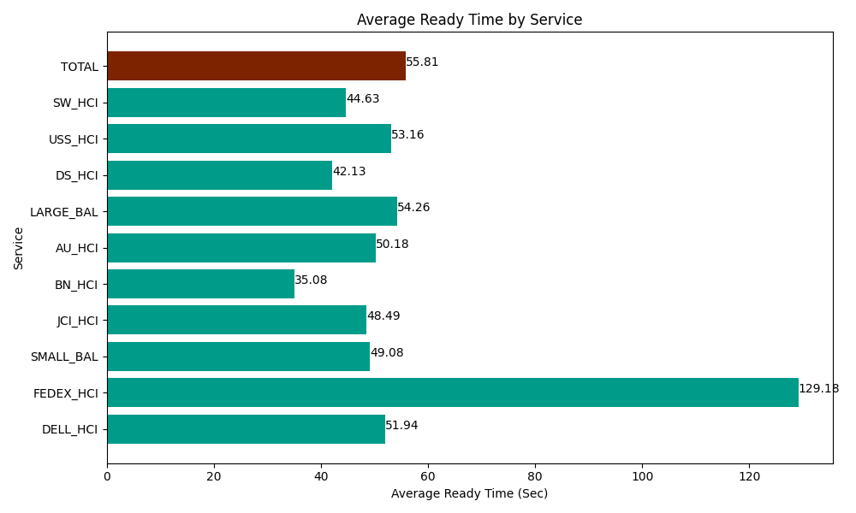
Date | Service | Successful Op Transfer | In Call (Sec) | Ready (Sec) | Wrapup (Sec) | Not Ready (Sec) | Average Ready Time (Sec)
05-28-2024 | DELL_HCI | 102 | 8860.7995605 | 5298.0001831 | 39815.998535 | 11783.999634 | 51.94
05-28-2024 | FEDEX_HCI | 10 | 621.00002289 | 1291.8000412 | 67.799999714 | 523.79997253 | 129.18
05-28-2024 | SMALL_BAL | 284 | 13208.999634 | 13939.200439 | 43612.199707 | 27718.200073 | 49.08
05-28-2024 | JCI_HCI | 309 | 31600.799561 | 14983.200073 | 30864.001465 | 6526.1997986 | 48.49
05-28-2024 | BN_HCI | 993 | 52993.798828 | 34831.201172 | 101049.00146 | 39859.801025 | 35.08
05-28-2024 | AU_HCI | 181 | 12364.80011 | 9082.199707 | 14956.799927 | 7903.7997437 | 50.18
05-28-2024 | LARGE_BAL | 7 | 369.00000572 | 379.79999542 | 1021.2000275 | 58.800001144 | 54.26
05-28-2024 | DS_HCI | 447 | 34089.001465 | 18832.800293 | 34036.201172 | 81971.99707 | 42.13
05-28-2024 | USS_HCI | 288 | 41269.801025 | 15310.799561 | 37687.199707 | 17839.799194 | 53.16
05-28-2024 | SW_HCI | 130 | 4861.7999268 | 5801.9998169 | 5823.0001831 | 4930.1998901 | 44.63
 | TOTAL | 2751 | 200239.80014 | 119751.00128 | 308933.40219 | 199116.5964 | 55.81

